Calculator
Flex Cam Configurator

1. Select Cam / Force Cylinder
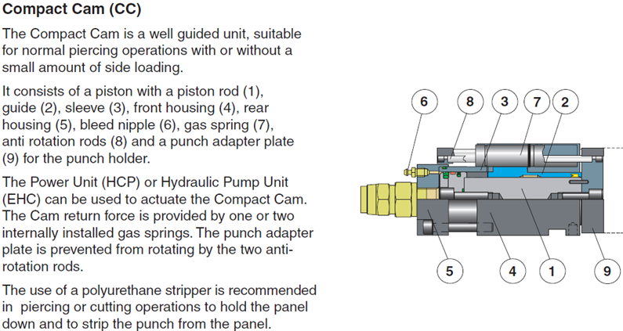
Cam / Force Cylinder
Version
Size (kN)
Stroke Length (mm)
Quantity

Selected Compact Cam |  | CC 015-010
Working Force |  | 15 kN
Compact Cam Oil Port |  | G 1/2" |  | Total Needed Oil Volume |  |  | 0,01 L

Mounting Possibilities
Options

2. Select HCP Power Unit
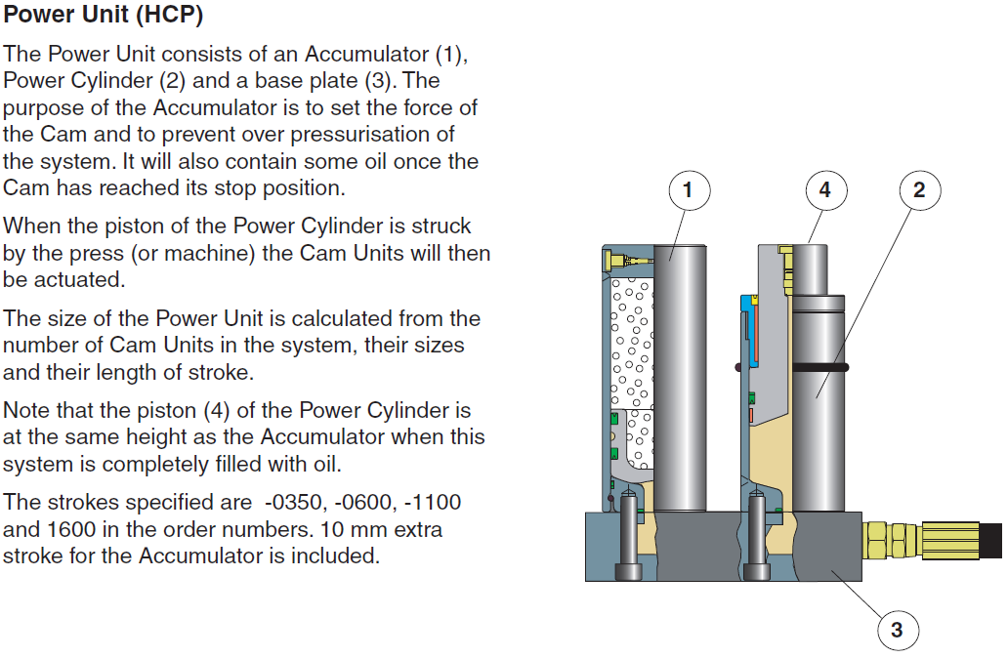
Press Velocity |  | 0.8 | m/s | Max 0,8 m/s down stroke

Power Unit Type
Recommended Power Units and Operating Conditions

Selected HCP: |  | HCP 015-035
Used Stroke |  | 20 mm |  | (incl. 10 mm margin)
Max Frequency (SPM) |  | 60
Oil Port |  | G 1/2" |  | Supplied Oil Volume Used Stroke |  |  | 0,01 L
Recommended Hose Size |  | 1/2" |  | Oil Volume Full Stroke |  |  | 0,03 L

3. Force Adjustments

 |  |  | Gas Pressure |  | Compact Cam |  |  |  | Power Unit
Force Adjustment
HCP Accumulator gas charge pressure |  |  | 150 | bar | Working Force |  | 17,5 kN |  | Activating Force |  | 19,5 kN
Max 180 bar , Min 50 bar

Compact Cam gas charge pressure |  |  | 180 | bar | Return Force |  | 2 kN
Max 180 bar , Min 125 bar

4. Selection Summary

Description |  | Order No. |  | Quantity |  | Working Force |  | Used Stroke |  | Velocity

Compact Cam |  | CC 015-010 |  | 1 pc |  | 17,5 kN |  | 10 mm |  | 0,8 m/s
Power Unit |  | HCP 015-035 |  | 1 pc |  |  |  | 20 mm |  | 0,8 m/s

Hose Size | 1/2" | 30 214 54 - xxxx

Integrated Base Mount |  | No Order No.

No Option

IMPORTANT:
Do not exceed the limits stated in the KALLER catalog. Forces and other parameters are calculated from the KALLER catalog values. Other limits and combinations can be accepted under special conditions if approved by KALLER.
In no event shall KALLER be liable for any direct, indirect, incidental, punitive, or consequential damage.

Please send feeback and comments to: |  |  |  | info@kaller.com

